Sheet1
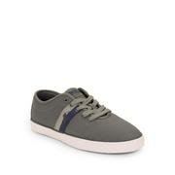
LAT_0500019778992

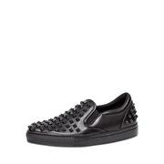
NEIMAN_prod161420063

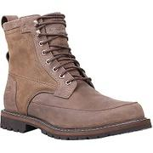
MOOSEJAW_10284373

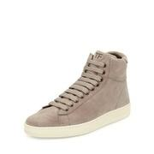
BDGM_prod110560018

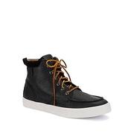
LAT_0500018270272

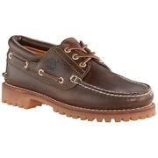
MOOSEJAW_10216846

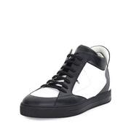
NEIMAN_prod189340126

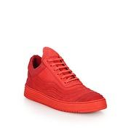
SAKS_0400089258273

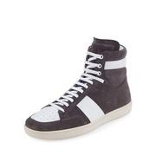
NEIMAN_prod189570687

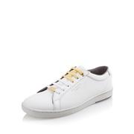
LAT_0500018901892

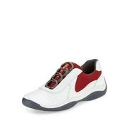
NEIMAN_prod189810161

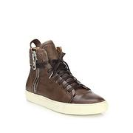
SAKS_0400088966358

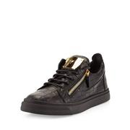
NEIMAN_prod173290392

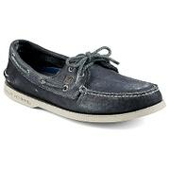
MOOSEJAW_10298808

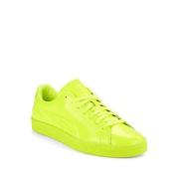
LAT_0500044979839

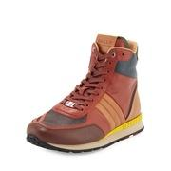
NEIMAN_prod184020108

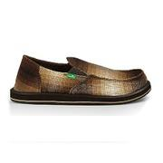
MOOSEJAW_10264502

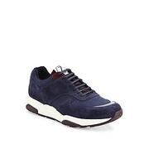
SAKS_0400090545964

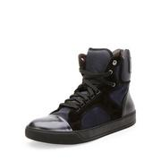
NEIMAN_prod172750361

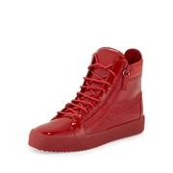
BDGM_prod112780200

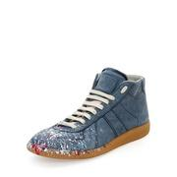
NEIMAN_prod187680386

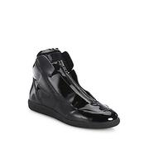
SAKS_0400090262917

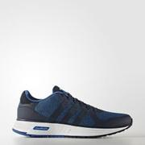
ADIDAS_BTZ77

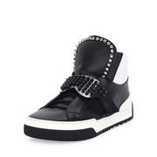
BDGM_prod118670234

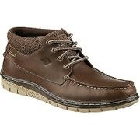
MOOSEJAW_10262705

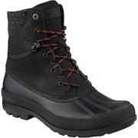
MOOSEJAW_10325376

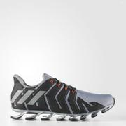
ADIDAS_GTX18

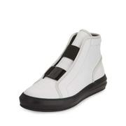
NEIMAN_prod187460052

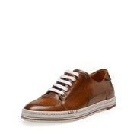
NEIMAN_prod176640304

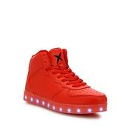
SAKS_0400090471908

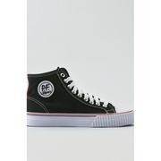
AEGL_3211_2065

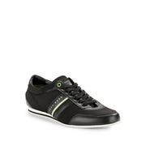
LAT_0500044423374

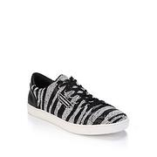
SAKS_0400088524446

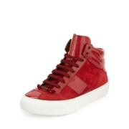
BDGM_prod112780029

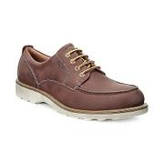
MOOSEJAW_10308409

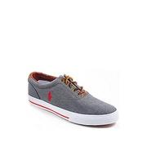
LAT_0500018109256

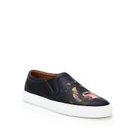
SAKS_0400088796604

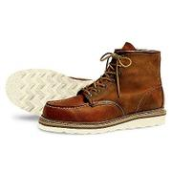
MOOSEJAW_10262985

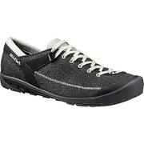
MOOSEJAW_10304614

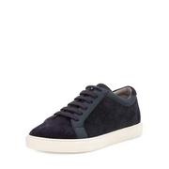
BDGM_prod118820279

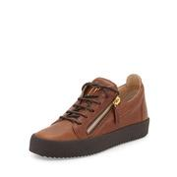
NEIMAN_prod187630138

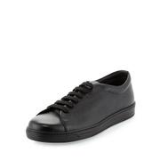
NEIMAN_prod189810136

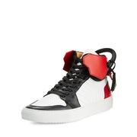
NEIMAN_prod187990158

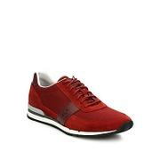
SAKS_0400090756169

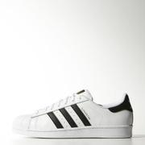
ADIDAS_IKG83

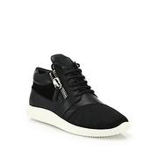
SAKS_0400089003932

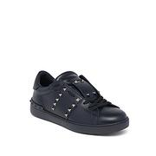
SAKS_0400090978150

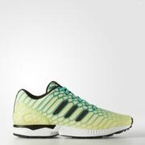
ADIDAS_GUA45

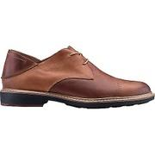
MOOSEJAW_10287060

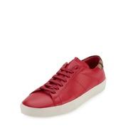
BDGM_prod122930268


LAT_0500019775600


SAKS_0400089386999


LAT_0500019116466


BDGM_prod111980040


BDGM_prod112890170


SAKS_0400089387100


BDGM_prod115500179


BDGM_prod103500385


BDGM_prod112890164


NEIMAN_prod172750355


SAKS_0400090806182


MOOSEJAW_10274467


NEIMAN_prod185360082


LAT_0500019779453


BDGM_prod118750019


BDGM_prod116620053


SAKS_0414937178969


LAT_0500019465087


NEIMAN_prod182500145


LAT_0500044465490


ADIDAS_JPQ39


NEIMAN_prod188280050


NEIMAN_prod180020185


BDGM_prod117340024


NEIMAN_prod183270385


SAKS_0400090586773


SAKS_0400090212294


SAKS_0400090806313


NEIMAN_prod185810168


LAT_0500018037853


BDGM_prod117600102


NEIMAN_prod179070151


MOOSEJAW_10264938


SAKS_0400087876067


NEIMAN_prod188230092


LAT_0500019605559


BDGM_prod102780008


SAKS_0400088446834


SAKS_0400086845563


LAT_0500043064377


NEIMAN_prod187460050


NEIMAN_prod183200321


BDGM_prod112890123


LAT_0500044978138


MOOSEJAW_10317691


SAKS_0414980439628


LAT_0500043478163


SAKS_0400092162530


SAKS_0400090836484


SAKS_0400090837912


LAT_0500045328721


MOOSEJAW_10325404


NEIMAN_prod189760012


BDGM_prod103770149


BDGM_prod120140271


SAKS_0414932858002


NEIMAN_prod183270377


BDGM_prod117330039


SAKS_0400089382639


NEIMAN_prod187780114


LAT_0500041963133


LAT_0500046285920


BDGM_prod117600076


SAKS_0400090633298


RDRNNR_NBA100


SAKS_0414928948465


NEIMAN_prod187350217


BDGM_prod112780201


MOOSEJAW_10254746


MOOSEJAW_10216865


SAKS_0400089136103


SAKS_0400088533493


LAT_0500019747427


LAT_0500042696708


COLEHAAN_C22847


BDGM_prod107250132


LAT_0500019465186


NEIMAN_prod180850064


NEIMAN_prod187990166


BDGM_prod118880143


MOOSEJAW_10289658


ADIDAS_20053


SAKS_0414902376086


NEIMAN_prod186540004


LAT_0500046519633


LAT_0500018265728


SAKS_0400088798446


MOOSEJAW_10287057


NEIMAN_prod189530154


NEIMAN_prod189780476


COLEHAAN_C13815


NEIMAN_prod183200154


BDGM_prod109290079


SAKS_0400089517148


SAKS_0400090822832


SAKS_0400088999460


BDGM_prod117000069


MOOSEJAW_10297813


MOOSEJAW_10304755

